Figure 1
 |  |  |  | Back to Contents

Figure 1: Occupation shortage drivers by number of unit groups, 2023 to 2025

 | 2023 | 2024 | 2025
Long training gap | 34 | 37 | 34
Short training gap | 6 | 3 | 2
Retention gap | 32 | 25 | 21
Suitability gap | 23 | 19 | 15
Uncertain | 32 | 30 | 31

Figure 2
 |  |  | Back to Contents

Figure 2: Number of qualified applicants per vacancy (no., lhs) and employment growth (%, rhs), 2020 to 2025.

Year | Qualified Applicants per vacancy | 5-year Employment growth
2020 | 8 | 17%
2021 | 9 | 15%
2022 | 3 | 15%
2023 | 5 | 16%
2024 | 4 | 18%
2025 | 7 | 18%

Figure 3
 |  |  |  |  |  | Back to Contents

Figure 6: Standardised hourly earnings and fill rates at 4-digit ANZSCO, by major occupation group, 2021-22 to 2024-25 financial years

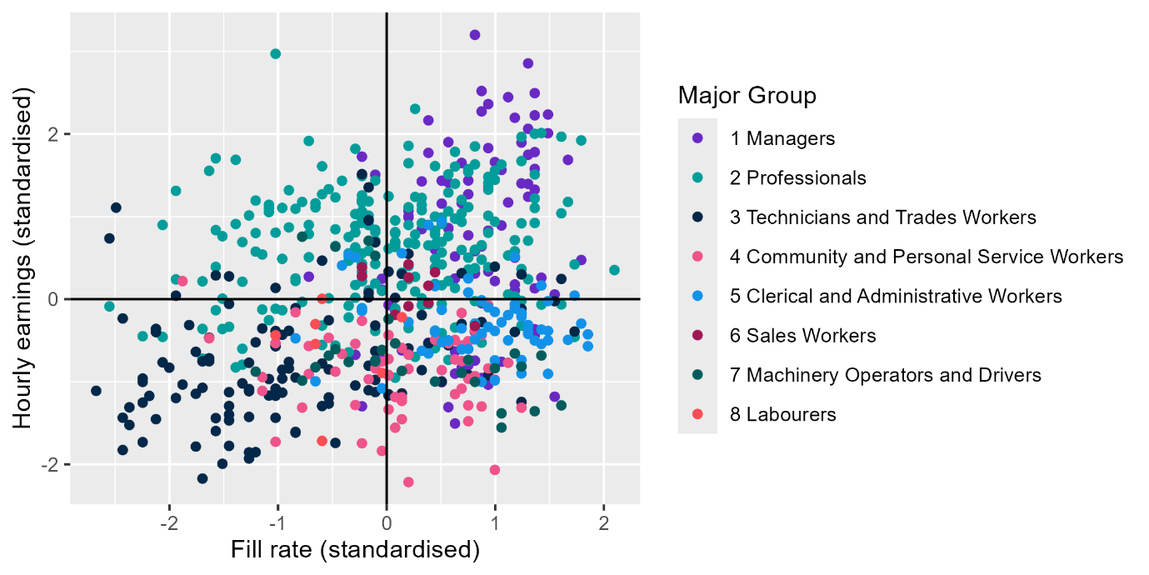
Unit group | Financial year | Fill rate (standardised) | Hourly earnings (standardised) | Major Group | Quadrant
1112 | 2021-22 | 1.3021 | 2.8546 | 1 Managers | 2
1112 | 2022-23 | 1.3633 | 1.3258 | 1 Managers | 2
1112 | 2023-24 | 1.3021 | 1.2402 | 1 Managers | 2
1112 | 2024-25 | 1.3633 | 1.7807 | 1 Managers | 2
1311 | 2021-22 | 0.7515 | 0.7727 | 1 Managers | 2
1311 | 2022-23 | 0.2008 | 1.0715 | 1 Managers | 2
1311 | 2023-24 | 0.6903 | 1.1631 | 1 Managers | 2
1311 | 2024-25 | 0.5679 | 1.9011 | 1 Managers | 2
1321 | 2021-22 | 0.4455 | 0.9989 | 1 Managers | 2
1321 | 2022-23 | 1.1186 | 1.1708 | 1 Managers | 2
1321 | 2023-24 | 1.3021 | 1.7483 | 1 Managers | 2
1321 | 2024-25 | 0.4455 | 0.6008 | 1 Managers | 2
1322 | 2021-22 | 1.3633 | 1.5766 | 1 Managers | 2
1322 | 2022-23 | 1.1798 | 2.1962 | 1 Managers | 2
1322 | 2023-24 | 1.3633 | 2.2261 | 1 Managers | 2
1322 | 2024-25 | 1.3633 | 2.4945 | 1 Managers | 2
1323 | 2021-22 | 0.5679 | 1.4129 | 1 Managers | 2
1323 | 2022-23 | 0.5679 | 0.8604 | 1 Managers | 2
1323 | 2023-24 | 0.7515 | 1.4366 | 1 Managers | 2
1323 | 2024-25 | 1.6692 | 1.6867 | 1 Managers | 2
1324 | 2021-22 | 1.1186 | 2.4459 | 1 Managers | 2
1324 | 2022-23 | 1.0574 | 1.5646 | 1 Managers | 2
1324 | 2023-24 | 0.9350 | 1.8293 | 1 Managers | 2
1324 | 2024-25 | 0.8738 | 2.5202 | 1 Managers | 2
1325 | 2021-22 | 0.2008 | 1.0045 | 1 Managers | 2
1331 | 2021-22 | 0.0173 | -0.0702 | 1 Managers | 3
1331 | 2022-23 | -0.0439 | 0.2468 | 1 Managers | 1
1331 | 2023-24 | 0.8738 | 0.6381 | 1 Managers | 2
1331 | 2024-25 | -0.7169 | 0.2725 | 1 Managers | 1
1332 | 2021-22 | -0.1051 | 1.5066 | 1 Managers | 1
1332 | 2022-23 | 0.3844 | 2.1649 | 1 Managers | 2
1332 | 2023-24 | 0.5067 | 1.4345 | 1 Managers | 2
1332 | 2024-25 | 0.3844 | 1.7713 | 1 Managers | 2
1335 | 2021-22 | 0.5067 | 1.1567 | 1 Managers | 2
1335 | 2022-23 | 0.8127 | 0.5815 | 1 Managers | 2
1335 | 2023-24 | 0.9350 | 0.8295 | 1 Managers | 2
1335 | 2024-25 | 0.7515 | 1.2702 | 1 Managers | 2
1336 | 2021-22 | 0.6291 | 0.5171 | 1 Managers | 2
1336 | 2022-23 | 0.3232 | 0.8479 | 1 Managers | 2
1336 | 2023-24 | 1.2409 | 1.4013 | 1 Managers | 2
1336 | 2024-25 | 0.3232 | 1.4255 | 1 Managers | 2
1341 | 2021-22 | 0.8738 | -0.9547 | 1 Managers | 3
1341 | 2022-23 | 1.3633 | 0.1311 | 1 Managers | 2
1341 | 2023-24 | 0.6291 | 0.2504 | 1 Managers | 2
1341 | 2024-25 | 0.9962 | 0.2190 | 1 Managers | 2
1342 | 2024-25 | 0.6903 | 1.6494 | 1 Managers | 2
1343 | 2021-22 | 1.2409 | 1.8960 | 1 Managers | 2
1343 | 2022-23 | 1.4857 | 2.0094 | 1 Managers | 2
1343 | 2023-24 | 0.9350 | 2.3621 | 1 Managers | 2
1343 | 2024-25 | 1.4857 | 2.2358 | 1 Managers | 2
1351 | 2021-22 | 0.9962 | 1.6606 | 1 Managers | 2
1351 | 2022-23 | 1.3021 | 1.3957 | 1 Managers | 2
1351 | 2023-24 | 1.3021 | 2.0625 | 1 Managers | 2
1351 | 2024-25 | 0.8127 | 3.2002 | 1 Managers | 2
1399 | 2021-22 | 0.2008 | 0.9907 | 1 Managers | 2
1399 | 2022-23 | 0.5679 | 0.8570 | 1 Managers | 2
1399 | 2023-24 | 0.8738 | 2.2734 | 1 Managers | 2
1399 | 2024-25 | -0.2275 | 1.7252 | 1 Managers | 1
1411 | 2021-22 | 0.6291 | -1.5054 | 1 Managers | 3
1411 | 2022-23 | -0.2275 | -1.2971 | 1 Managers | 4
1411 | 2023-24 | 0.5679 | -1.3076 | 1 Managers | 3
1411 | 2024-25 | 0.5067 | -1.0061 | 1 Managers | 3
1413 | 2021-22 | -0.2887 | -0.6734 | 1 Managers | 4
1413 | 2022-23 | 0.6903 | -0.8323 | 1 Managers | 3
1413 | 2023-24 | 0.9350 | -1.0354 | 1 Managers | 3
1413 | 2024-25 | 1.2409 | -0.8124 | 1 Managers | 3
1414 | 2021-22 | 0.0784 | -0.1338 | 1 Managers | 3
1414 | 2022-23 | 0.1396 | -0.6207 | 1 Managers | 3
1414 | 2023-24 | 0.9350 | 0.3370 | 1 Managers | 2
1421 | 2021-22 | -0.0439 | -0.7250 | 1 Managers | 4
1421 | 2022-23 | 0.6291 | -0.6336 | 1 Managers | 3
1421 | 2023-24 | 0.7515 | -0.8005 | 1 Managers | 3
1421 | 2024-25 | 0.3844 | -0.5268 | 1 Managers | 3
1491 | 2021-22 | 1.5469 | -1.1806 | 1 Managers | 3
1491 | 2022-23 | 1.0574 | -0.7577 | 1 Managers | 3
1491 | 2023-24 | 1.3633 | -0.3645 | 1 Managers | 3
1491 | 2024-25 | 0.6291 | -0.9019 | 1 Managers | 3
1492 | 2021-22 | 0.8127 | 0.3108 | 1 Managers | 2
1492 | 2022-23 | 1.5469 | 0.0574 | 1 Managers | 2
1492 | 2023-24 | 1.7916 | 0.4738 | 1 Managers | 2
1492 | 2024-25 | 1.0574 | 0.8924 | 1 Managers | 2
1493 | 2021-22 | 1.3633 | -0.4383 | 1 Managers | 3
1493 | 2022-23 | -0.0439 | 0.1147 | 1 Managers | 1
1493 | 2023-24 | 0.8127 | -0.7439 | 1 Managers | 3
1493 | 2024-25 | 1.1798 | 0.1062 | 1 Managers | 2
1499 | 2021-22 | 1.1798 | 0.1778 | 1 Managers | 2
1499 | 2022-23 | 0.8738 | -0.0490 | 1 Managers | 3
1499 | 2023-24 | 1.1798 | 0.5027 | 1 Managers | 2
1499 | 2024-25 | 1.4245 | 0.2594 | 1 Managers | 2
2124 | 2021-22 | 0.7515 | -0.7439 | 2 Professionals | 3
2124 | 2022-23 | 0.2008 | -0.3504 | 2 Professionals | 3
2124 | 2023-24 | 0.3232 | -0.0729 | 2 Professionals | 3
2124 | 2024-25 | 1.4245 | -0.0658 | 2 Professionals | 3
2211 | 2021-22 | 0.2008 | 0.2422 | 2 Professionals | 2
2211 | 2022-23 | 0.1396 | 0.3192 | 2 Professionals | 2
2211 | 2023-24 | 0.0173 | 0.6108 | 2 Professionals | 2
2211 | 2024-25 | 1.3633 | 1.2194 | 2 Professionals | 2
2212 | 2021-22 | -1.3288 | 0.6910 | 2 Professionals | 1
2212 | 2022-23 | -0.7169 | 0.5080 | 2 Professionals | 1
2212 | 2023-24 | -1.0229 | 0.8052 | 2 Professionals | 1
2212 | 2024-25 | 0.6903 | 1.2019 | 2 Professionals | 2
2221 | 2021-22 | -0.7781 | -0.0332 | 2 Professionals | 4
2221 | 2022-23 | -0.2275 | 1.0642 | 2 Professionals | 1
2221 | 2023-24 | 0.2620 | 0.2704 | 2 Professionals | 2
2221 | 2024-25 | -0.7169 | 0.7877 | 2 Professionals | 1
2223 | 2021-22 | 0.2008 | 1.8569 | 2 Professionals | 2
2223 | 2022-23 | -0.2275 | 1.2565 | 2 Professionals | 1
2223 | 2023-24 | 0.2008 | 1.6465 | 2 Professionals | 2
2223 | 2024-25 | 1.2409 | 1.6722 | 2 Professionals | 2
2231 | 2021-22 | 0.3232 | 0.0094 | 2 Professionals | 2
2231 | 2022-23 | 0.5067 | 0.5638 | 2 Professionals | 2
2231 | 2023-24 | 0.4455 | 0.4869 | 2 Professionals | 2
2231 | 2024-25 | 0.7515 | 0.3589 | 2 Professionals | 2
2233 | 2021-22 | -0.0439 | 0.1011 | 2 Professionals | 1
2233 | 2022-23 | 0.8738 | 0.4785 | 2 Professionals | 2
2233 | 2023-24 | 0.9350 | 0.8035 | 2 Professionals | 2
2233 | 2024-25 | 0.8127 | -0.0237 | 2 Professionals | 3
2241 | 2021-22 | 0.6291 | 1.3972 | 2 Professionals | 2
2244 | 2021-22 | 0.3232 | 1.2255 | 2 Professionals | 2
2244 | 2022-23 | 0.4455 | 0.7837 | 2 Professionals | 2
2244 | 2023-24 | 0.2620 | 0.6683 | 2 Professionals | 2
2244 | 2024-25 | 1.2409 | 1.9650 | 2 Professionals | 2
2246 | 2021-22 | 1.3021 | 0.7082 | 2 Professionals | 2
2246 | 2022-23 | 1.1186 | 0.0574 | 2 Professionals | 2
2246 | 2023-24 | 1.6692 | 1.1776 | 2 Professionals | 2
2246 | 2024-25 | 1.6080 | -0.0640 | 2 Professionals | 3
2247 | 2021-22 | 0.4455 | 0.8302 | 2 Professionals | 2
2247 | 2022-23 | 0.9962 | 1.5573 | 2 Professionals | 2
2247 | 2023-24 | 1.3633 | 1.1041 | 2 Professionals | 2
2247 | 2024-25 | 1.6080 | 1.9671 | 2 Professionals | 2
2249 | 2021-22 | 0.8738 | 0.6537 | 2 Professionals | 2
2249 | 2022-23 | -0.1663 | 0.5845 | 2 Professionals | 1
2249 | 2023-24 | 1.2409 | 0.9183 | 2 Professionals | 2
2249 | 2024-25 | 1.3633 | 0.9226 | 2 Professionals | 2
2251 | 2021-22 | -0.2275 | 0.2172 | 2 Professionals | 1
2251 | 2022-23 | 0.3844 | 0.6509 | 2 Professionals | 2
2251 | 2023-24 | 0.7515 | 0.3139 | 2 Professionals | 2
2251 | 2024-25 | 1.1798 | 0.7146 | 2 Professionals | 2
2253 | 2021-22 | 1.7304 | 0.4214 | 2 Professionals | 2
2253 | 2022-23 | 0.2008 | 0.8983 | 2 Professionals | 2
2253 | 2023-24 | 0.9350 | 0.3869 | 2 Professionals | 2
...

Figure 4
...
Figure 4: Representative chart of unit groups that fall into the uncertain zone or a shortage driver

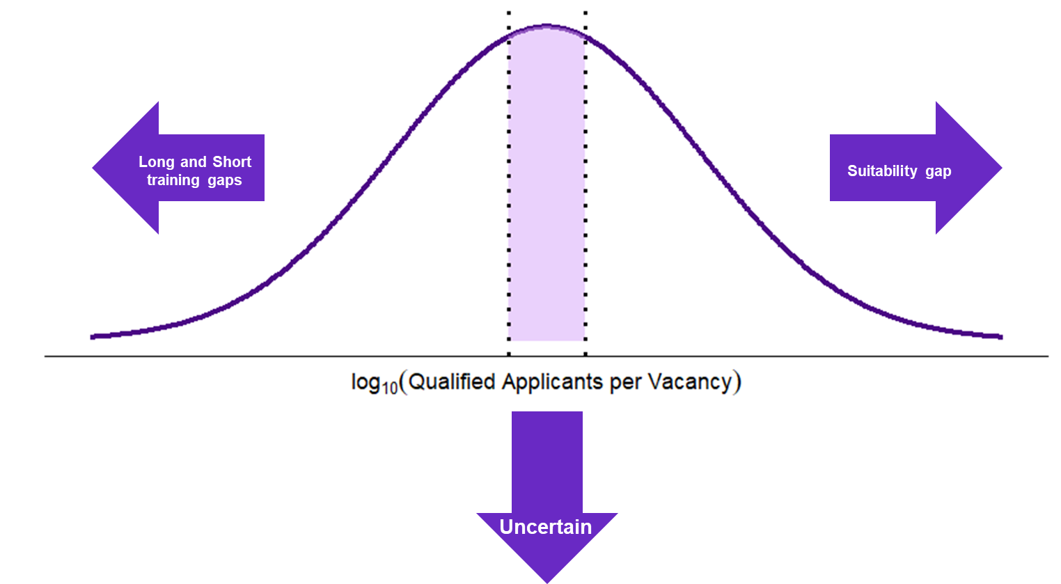

Figure 5
...
Figure 5: Converting occupation ratings to unit group ratings

xxxx11 – Occupation A1 Rating (6 digit): R
Employment size: 7,000
xxxx22 – Occupation A2 Rating (6 digit): NS
Employment size: 2,000
xxxx33 – Occupation A3 Rating (6 digit): NS
Employment size: 1,000
NS weight:
30%
R weight: 70%
xxxx – Unit Group A Rating (4 digit): R

Figure C1
 |  |  |  | Back to Contents

5 year employment growth (no., y-axis), 5 year average IVI to UE (no., x-axis) for training and Retention gap unit groups.

 | Long training gap |  | Retention gap |  | Short training gap
0.76 | 0.45 | 1.40 | -0.09 | -0.20 | -0.81
0.00 | -0.02 | -0.57 | -1.41 | -0.43 | -1.16
0.97 | 2.22 | -1.00 | -0.73
-0.88 | -0.84 | -0.37 | 0.02
0.17 | -0.30 | -1.58 | -0.17
-0.17 | 0.39 | -0.33 | -0.42
1.64 | 0.57 | -1.75 | -0.56
1.05 | 1.10 | -0.13 | -0.32
2.09 | 1.56 | -0.99 | -0.11
3.30 | 1.51 | 0.24 | -0.50
1.96 | 2.26 | 0.65 | -0.63
0.00 | -0.07 | 0.00 | 0.00
2.41 | 3.80 | 0.00 | 0.00
1.16 | 1.73 | -0.05 | -0.65
0.00 | 1.89 | -0.59 | -2.11
1.10 | 0.44 | 0.00 | -1.13
1.04 | -0.30 | 0.05 | 2.95
1.48 | 2.21 | -0.32 | -0.20
1.16 | 1.51 | -1.54 | -1.12
1.13 | -0.33 | -0.93 | -1.49
1.18 | -0.61 | -1.47 | -0.44
0.39 | -0.50
0.90 | -0.19
-0.36 | -0.52
-0.10 | -1.10
-0.91 | -0.88
-0.22 | -1.45
0.61 | 0.06
0.31 | -0.70
0.82 | 0.54
-0.27 | 0.29
0.05 | 0.22
2.13 | -0.68
-0.49 | -0.34
Unit group | IVI/UE | Employign growth | Shortage Driver
Surveyors and Spatial Scientists | 0.76 | 0.45 | Long training gap
Veterinarians | 0.00 | -0.02 | Long training gap
Early Childhood (Pre-primary School) Teachers | 0.97 | 2.22 | Long training gap
Audiologists and Speech Pathologists
Middle School Teachers / Intermediate School Teachers | -0.88 | -0.84 | Long training gap
Aged and Disabled Carers
Secondary School Teachers | 0.17 | -0.30 | Long training gap
Physiotherapists
Special Education Teachers | -0.17 | 0.39 | Long training gap
Medical Imaging Professionals | 1.64 | 0.57 | Long training gap
Occupational Therapists
Pharmacists | 1.05 | 1.10 | Long training gap
Dental Practitioners | 2.09 | 1.56 | Long training gap
Occupational Therapists | 3.30 | 1.51 | Long training gap
Physiotherapists | 1.96 | 2.26 | Long training gap
Podiatrists | 0.00 | -0.07 | Long training gap
Sheetmetal workers
Dental Hygienists, Technicians and Therapists
Audiologists and Speech Pathologists / Therapists | 2.41 | 3.80 | Long training gap
Specialist Physicians | 1.16 | 1.73 | Long training gap
Psychiatrists | 0.00 | 1.89 | Long training gap
Other Medical Practitioners | 1.10 | 0.44 | Long training gap
Midwives | 1.04 | -0.30 | Long training gap
Psychologists | 1.48 | 2.21 | Long training gap
Automotive Electricians | 1.16 | 1.51 | Long training gap
Motor Mechanics | 1.13 | -0.33 | Long training gap
Sheetmetal Workers | 1.18 | -0.61 | Long training gap
Structural Steel and Welding Trades Workers | 0.39 | -0.50 | Long training gap
Metal Fitters and Machinists | 0.90 | -0.19 | Long training gap
Precision Metal Trades Workers | -0.36 | -0.52 | Long training gap
Panelbeaters | -0.10 | -1.10 | Long training gap
Vehicle Painters | -0.91 | -0.88 | Long training gap
Glaziers | -0.22 | -1.45 | Long training gap
Plumbers | 0.61 | 0.06 | Long training gap
Airconditioning and Refrigeration Mechanics | 0.31 | -0.70 | Long training gap
Electrical Distribution Trades Workers | 0.82 | 0.54 | Long training gap
Veterinary Nurses | -0.27 | 0.29 | Long training gap
Cabinet and Furniture Makers | 0.05 | 0.22 | Long training gap
Dental Hygienists, Technicians and Therapists | 2.13 | -0.68 | Long training gap
...

Figure C2
 |  |  |  | Back to Contents

Figure C2: Distribution of LSI (no.), by known shortage drivers, 2025

 | Undersupply (<-5) | Balanced (-5 to 5) | Oversupply (>5)
Long training gap | 22 | 0 | 0
Short training gap | 1 | 0 | 1
Retention gap | 15 | 4 | 0

