Figure 1
 |  |  | Back to Contents

Figure 1: Percentage of occupations in shortage (%), 2021 to 2025 OSLs, OSCA basis

OSL year | Occupations in shortage
2021 | 22%
2022 | 31%
2023 | 36%
2024 | 33%
2025 | 29%

 |  | Source: Jobs and Skills Australia, OSL, 2021-2025.
 |  | Note: The figure presents current and past results all on an OSCA basis to support like-for-like comparison.

Figure 2
 |  |  |  |  |  |  | Back to Contents

Figure 2: Percentage of occupations in shortage (%), by major group, 2021 to 2025 OSLs, OSCA basis

Major Group | 2021 | 2022 | 2023 | 2024 | 2025
Managers | 12% | 10% | 7% | 6% | 2%
Professionals | 23% | 39% | 48% | 45% | 39%
Technicians & Trades Workers | 45% | 47% | 51% | 52% | 49%
Community & Personal Service Workers | 12% | 21% | 25% | 22% | 15%
Clerical & Administrative Workers | 0% | 6% | 8% | 4% | 3%
Sales Workers | 0% | 5% | 0% | 0% | 0%
Machinery Operators & Drivers | 18% | 32% | 39% | 25% | 28%
Labourers | 0% | 30% | 41% | 18% | 18%
All occupations | 22% | 31% | 36% | 33% | 29%

 |  |  |  |  |  | Source: Jobs and Skills Australia, OSL, 2021-2025.
 |  |  |  |  |  | Note: The figure presents current and past results all on an OSCA basis to support like-for-like comparison. The percentage of occupations in shortage for Labourers appears 4 to 6 percentage points higher in 2022 and 2023 in the OSCA version than the ANZSCO 2022 version. This is due to relatively few Labourers occupations within scope of the OSL (39 and 44 occupations on ANZSCO 2022 and OSCA 2024, respectively). Thus, small differences between the number of occupations in shortage between the 2 frameworks may yield large differences in percentages.

Figure 3
 |  |  | Back to Contents

Figure 3: Percentage points (ppt) contribution by each major group to the overall change in occupations in shortage from 2024 to 2025 OSLs, OSCA basis

Major Group | %pts contribution
Machinery Operators & Drivers | 1%
Sales Workers | 0%
Labourers | 0%
Clerical & Administrative Workers | 0%
Managers | -2%
Technicians & Trades Workers | -2%
Community & Personal Service Workers | -3%
Professionals | -6%
National | -12%

 |  | Source: Jobs and Skills Australia, OSL, 2024 to 2025.

Figure 4
 |  |  |  |  |  |  | Back to Contents

Figure 4: Percentage of occupations in shortage (%), by Skill Level, 2021 to 2025 OSLs, OSCA basis

Skill level | 2021 | 2022 | 2023 | 2024 | 2025
Skill Level 1 | 22% | 33% | 40% | 37% | 31%
Skill Level 2 | 12% | 20% | 20% | 21% | 19%
Skill Level 3 | 38% | 44% | 48% | 46% | 43%
Skill Level 4 | 8% | 21% | 26% | 16% | 15%
All occupations | 22% | 31% | 36% | 33% | 29%

 |  |  |  |  |  | Source: Jobs and Skills Australia, OSL, 2021-2025.
 |  |  |  |  |  | Note: The figure presents current and past results all on an OSCA basis to support like-for-like comparison.

Figure 5
 |  |  |  |  | Back to Contents

Figure 5: Fill rate, recruitment difficulty rate and IVI, Index values (no.), 2023 to 2025

Month | Fill rate | Recruitment difficulty rate | IVI
Jun-23 | 100 | 100 | 100
Jul-23 | 102 | 94 | 101
Aug-23 | 104 | 97 | 99
Sep-23 | 102 | 94 | 96
Oct-23 | 103 | 89 | 93
Nov-23 | 105 | 89 | 93
Dec-23 | 108 | 81 | 93
Jan-24 | 111 | 87 | 90
Feb-24 | 111 | 86 | 89
Mar-24 | 110 | 79 | 89
Apr-24 | 111 | 84 | 85
May-24 | 112 | 89 | 86
Jun-24 | 116 | 87 | 82
Jul-24 | 115 | 75 | 78
Aug-24 | 115 | 79 | 82
Sep-24 | 115 | 83 | 83
Oct-24 | 116 | 83 | 80
Nov-24 | 111 | 79 | 79
Dec-24 | 110 | 75 | 77
Jan-25 | 112 | 81 | 80
Feb-25 | 120 | 68 | 76
Mar-25 | 119 | 65 | 74
Apr-25 | 116 | 84 | 77
May-25 | 117 | 79 | 75
Jun-25 | 119 | 70 | 77

 |  |  |  | Source: Jobs and Skills Australia, IVI, SERA, and REOS, 2023 to 2025.

Figure 6
 |  | Back to Contents

Figure 6: Boxplots of predicted fill rates (%) for the 2023, 2024 and 2025 OSLs

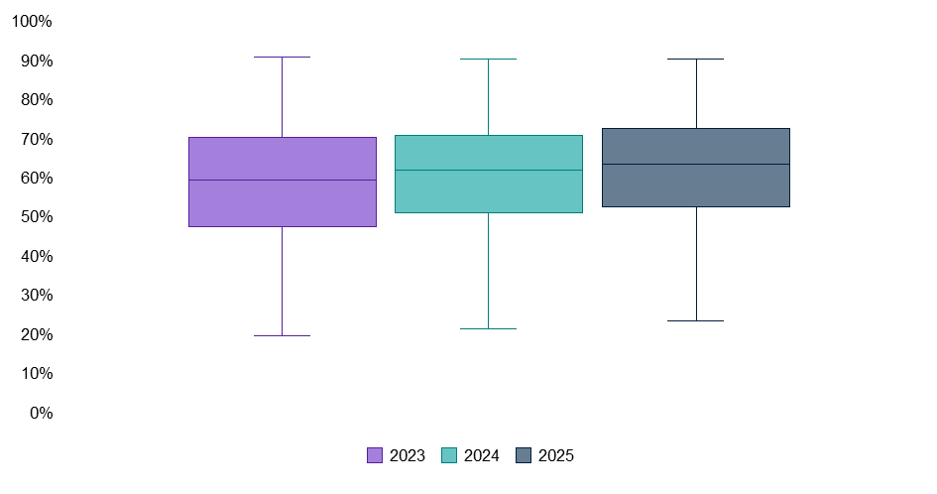

 | Source: Jobs and Skills Australia.

Figure 7
 |  |  |  |  |  |  | Back to Contents

Figure 7: Number of applicants, qualified applicants and suitable applicants per vacancy (No.), 2020-21 to 2024-25

Applicants per vacancy (no.) | 2020-21 | 2021-22 | 2022-23 | 2023-24 | 2024-25
Total applicants per vacancy | 13.5 | 13.6 | 16.0 | 24.2 | 27.5
Qualified applicants per vacancy | 6.6 | 5.0 | 5.6 | 7.6 | 9.3
Suitable applicants per vacancy | 2.9 | 2.3 | 2.6 | 3.0 | 4.3

 |  |  |  |  |  | Source: Jobs and Skills Australia, SERA, 2020–21 to 2024–25.

Figure 8
 |  |  |  |  | Back to Contents

Figure 8: Percentage of unit groups, by LSI category, 2023–24 and 2024–25

Financial year | Undersupply | Balanced | Oversupply
2023–24 | 31% | 32% | 37%
2024–25 | 27% | 40% | 33%

 |  |  |  | Source: Jobs and Skills Australia, SERA; REOS, Australian Skills Classification (ASC).

Figure A1
 |  |  | Back to Contents

Figure A1: Percentage of occupations in shortage (%), 2021 to 2025 OSLs, ANZSCO 2022

OSL year | Occupations in shortage
2021 | 21%
2022 | 32%
2023 | 36%
2024 | 33%
2025 | 30%

 |  | Source: Jobs and Skills Australia, OSL, 2021-2025.
 |  | Note: The figure presents current and past results all on an ANZSCO 2022 basis to support like-for-like comparison.

Figure A2
 |  |  |  |  |  |  | Back to Contents

Figure A2: Percentage of occupations in shortage (%), by major group, 2021 to 2025 OSLs, ANZSCO 2022

Major Group | 2021 | 2022 | 2023 | 2024 | 2025
Managers | 13% | 12% | 8% | 5% | 1%
Professionals | 21% | 39% | 48% | 45% | 39%
Technicians & Trades Workers | 45% | 47% | 50% | 50% | 46%
Community & Personal Service Workers | 8% | 21% | 24% | 24% | 22%
Clerical & Administrative Workers | 0% | 5% | 6% | 3% | 3%
Sales Workers | 0% | 5% | 0% | 0% | 0%
Machinery Operators & Drivers | 17% | 29% | 34% | 23% | 26%
Labourers | 0% | 26% | 36% | 18% | 18%
All occupations | 21% | 32% | 36% | 33% | 30%

 |  |  |  |  |  | Source: Jobs and Skills Australia, OSL, 2021-2025.
 |  |  |  |  |  | Note: The figure presents current and past results all on an ANZSCO 2022 basis to support like-for-like comparison.

Figure A3
 |  |  |  |  |  |  | Back to Contents

Figure A3: Percentage of occupations in shortage (%), by Skill Level, 2021 to 2025 OSLs, ANZSCO 2022

Skill Level | 2021 | 2022 | 2023 | 2024 | 2025
Skill Level 1 | 21% | 35% | 42% | 39% | 34%
Skill Level 2 | 12% | 19% | 24% | 24% | 21%
Skill Level 3 | 39% | 47% | 47% | 46% | 44%
Skill Level 4 | 9% | 18% | 23% | 15% | 14%
All occupations | 21% | 32% | 36% | 33% | 30%

 |  |  |  |  |  | Source: Jobs and Skills Australia, OSL, 2021-2025.
 |  |  |  |  |  | Note: The figure presents current and past results all on an ANZSCO 2022 basis to support like-for-like comparison.

