Figure 1
 |  |  |  |  | Back to Contents

Figure 1: Fill rate (%) and total, qualified, and suitable applicants per vacancy (no.), national level

Quarter | Fill rate | Applicants per vacancy | Qualified applicants per vacancy | Suitable applicants per vacancy
2023-06-01 | 61.4% | 16.0 | 5.6 | 2.6
2023-09-01 | 62.1% | 17.0 | 5.8 | 2.6
2023-12-01 | 63.5% | 18.3 | 6.1 | 2.7
2024-03-01 | 64.5% | 21.1 | 6.9 | 2.8
2024-06-01 | 66.1% | 24.2 | 7.6 | 3.0
2024-09-01 | 68.1% | 28.5 | 8.7 | 3.3
2024-12-01 | 68.6% | 30.0 | 9.2 | 3.6
2025-03-01 | 69.7% | 29.3 | 9.4 | 4.0
2025-06-01 | 70.6% | 27.4 | 9.3 | 4.3

Figure 2
 |  |  |  |  | Back to Contents

Figure 2: Fill rate (%) and total, qualified, and suitable applicants per vacancy (no.), metropolitan level

Quarter | Fill rate | Applicants per vacancy | Qualified applicants per vacancy | Suitable applicants per vacancy
2023-06-01 | 62.7% | 18.2 | 6.4 | 2.8
2023-09-01 | 64.3% | 20.0 | 7.0 | 3.0
2023-12-01 | 65.6% | 21.4 | 7.3 | 3.0
2024-03-01 | 66.3% | 24.4 | 8.1 | 3.2
2024-06-01 | 68.0% | 28.2 | 9.0 | 3.4
2024-09-01 | 69.7% | 33.0 | 10.2 | 3.6
2024-12-01 | 70.0% | 34.9 | 10.9 | 4.1
2025-03-01 | 71.6% | 34.9 | 11.3 | 4.5
2025-06-01 | 72.2% | 32.7 | 11.2 | 4.9

Figure 3
 |  |  |  |  | Back to Contents

Figure 3: Fill rate (%) and total, qualified, and suitable applicants per vacancy (no.), regional level

Quarter | Fill rate | Applicants per vacancy | Qualified applicants per vacancy | Suitable applicants per vacancy
2023-06-01 | 57.9% | 10.3 | 3.4 | 2.0
2023-09-01 | 58.1% | 10.4 | 3.3 | 1.9
2023-12-01 | 58.9% | 11.1 | 3.6 | 1.9
2024-03-01 | 59.7% | 12.8 | 4.2 | 2.0
2024-06-01 | 61.1% | 14.7 | 4.6 | 2.1
2024-09-01 | 62.9% | 17.4 | 5.3 | 2.4
2024-12-01 | 63.0% | 18.1 | 5.5 | 2.6
2025-03-01 | 64.3% | 17.6 | 5.5 | 2.8
2025-06-01 | 65.8% | 16.3 | 5.4 | 3.0

Figure 4
 |  |  |  |  | Back to Contents

Figure 4: Fill rate (%), total applicants, qualified and suitable applicants per vacancy (no.), by Skill Level, June quarter 2025

Skill Level | Fill Rate | Applicants per Vacancy | Qualified applicants per vacancy | Suitable applicants per vacancy
Skill Level 1 | 72.5% | 27.1 | 11.3 | 4.3
Skill Level 2 | 75.1% | 32.5 | 11.1 | 4.9
Skill Level 3 | 55.1% | 17.7 | 5.0 | 2.4
Skill Level 4 | 73.4% | 30.1 | 7.2 | 5.1

Figure 5
 |  |  |  | Back to Contents

Figure 5: Mismatch index, 2020–21 to 2024–25

 | National | Metro | Regional
2020–21 | 0.26753783889 | 0.27535256174 | 0.24188261099
2021–22 | 0.29064798003 | 0.30514165954 | 0.27936617595
2022–23 | 0.3105171118 | 0.31358558141 | 0.27696601447
2023–24 | 0.32878689018 | 0.32176592415 | 0.30602413023
2024–25 | 0.29876348226 | 0.29551915957 | 0.27852301022
Financial Year | National | Metro | Regional
2020–21 | 27% | 28% | 24%
2021–22 | 29% | 31% | 28%
2022–23 | 31% | 31% | 28%
2023–24 | 33% | 32% | 31%
2024–25 | 30% | 30% | 28%

Figure 6
 |  |  |  |  |  |  | Back to Contents

Figure 6: Mismatch from different major groups, between 2021 and 2025

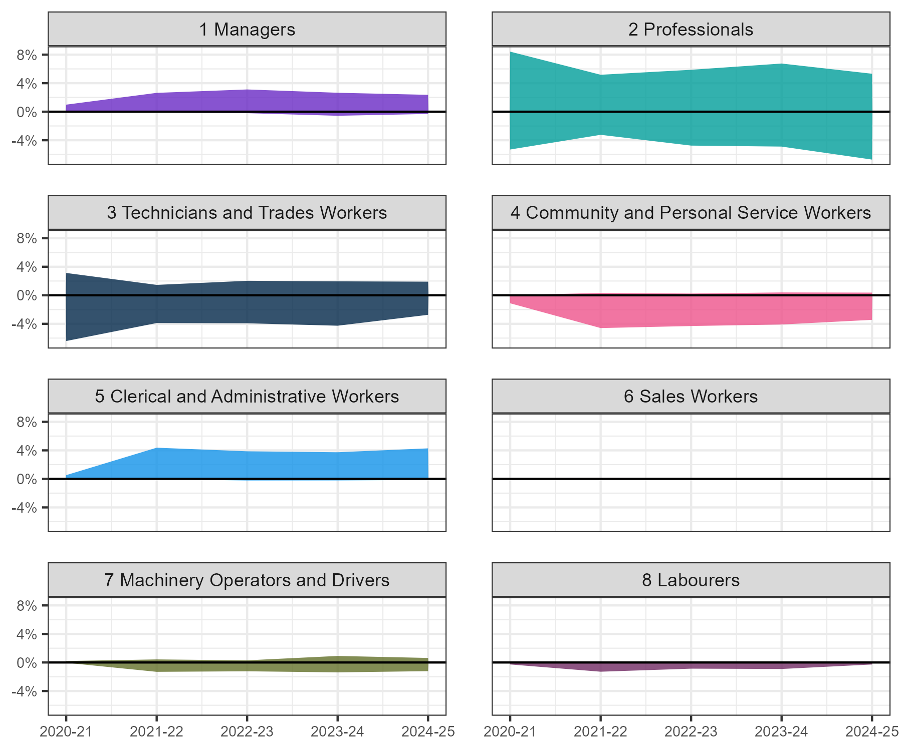
Kind of mismatch | Major Group | 2021 | 2022 | 2023 | 2024 | 2025
Excess Demand | 1 Managers | 0% | 0% | 0% | -1% | 0%
Excess Supply | 1 Managers | 1% | 3% | 3% | 3% | 2%
Total | 1 Managers | 1% | 3% | 3% | 3% | 3%
Excess Demand | 2 Professionals | -5% | -3% | -5% | -5% | -7%
Excess Supply | 2 Professionals | 8% | 5% | 6% | 7% | 5%
Total | 2 Professionals | 14% | 8% | 11% | 12% | 12%
Excess Demand | 3 Technicians and Trades Workers | -6% | -4% | -4% | -4% | -3%
Excess Supply | 3 Technicians and Trades Workers | 3% | 1% | 2% | 2% | 2%
Total | 3 Technicians and Trades Workers | 10% | 5% | 6% | 6% | 5%
Excess Demand | 4 Community and Personal Service Workers | -1% | -5% | -4% | -4% | -3%
Excess Supply | 4 Community and Personal Service Workers | 0% | 0% | 0% | 0% | 0%
Total | 4 Community and Personal Service Workers | 1% | 5% | 5% | 4% | 4%
Excess Demand | 5 Clerical and Administrative Workers | 0% | 0% | 0% | 0% | 0%
Excess Supply | 5 Clerical and Administrative Workers | 1% | 4% | 4% | 4% | 4%
Total | 5 Clerical and Administrative Workers | 1% | 4% | 4% | 4% | 4%
Excess Demand | 6 Sales Workers | 0% | 0% | 0% | 0% | 0%
Excess Supply | 6 Sales Workers |  | 0% |  | 0% | 0%
Total | 6 Sales Workers |  | 0% |  | 0% | 0%
Excess Demand | 7 Machinery Operators and Drivers | 0% | -1% | -1% | -1% | -1%
Excess Supply | 7 Machinery Operators and Drivers | 0% | 0% | 0% | 1% | 1%
Total | 7 Machinery Operators and Drivers | 0% | 2% | 2% | 2% | 2%
Excess Demand | 8 Labourers | 0% | -1% | -1% | -1% | 0%
Excess Supply | 8 Labourers |  |  |  |  | 0%
Total | 8 Labourers |  |  |  |  | 0%

