Figure 1
 |  |  |  |  | Back to Contents

Figure 1: Fill rate (%) (right axis); average total, qualified and suitable applicants per vacancy (no.) (left axis), National

Quarter | Fill rate | Applicants per vacancy | Qualified applicants per vacancy | Suitable applicants per vacancy
Mar-23 | 60.2% | 14.7 | 5.1 | 2.4
Jun-23 | 61.4% | 16.0 | 5.6 | 2.6
Sep-23 | 62.1% | 17.0 | 5.8 | 2.6
Dec-23 | 63.5% | 18.3 | 6.1 | 2.7
Mar-24 | 64.5% | 21.1 | 6.9 | 2.8
Jun-24 | 66.1% | 24.2 | 7.6 | 3.0
Sep-24 | 68.1% | 28.5 | 8.7 | 3.3
Dec-24 | 68.6% | 30.0 | 9.2 | 3.6
Mar-25 | 69.7% | 29.3 | 9.4 | 4.0

Figure 2
 |  |  |  |  | Back to Contents

Figure 2: Fill rate (%) and total applicants, qualified, and suitable applicants per vacancy (no.), Metro level

Quarter | Fill rate | Applicants per vacancy | Qualified applicants per vacancy | Suitable applicants per vacancy
Mar-23 | 60.6% | 16.4 | 5.8 | 2.6
Jun-23 | 62.7% | 18.2 | 6.4 | 2.8
Sep-23 | 64.3% | 20.0 | 7.0 | 3.0
Dec-23 | 65.6% | 21.4 | 7.3 | 3.0
Mar-24 | 66.3% | 24.4 | 8.1 | 3.2
Jun-24 | 68.0% | 28.2 | 9.0 | 3.4
Sep-24 | 69.7% | 33.0 | 10.2 | 3.6
Dec-24 | 70.0% | 34.9 | 10.9 | 4.0
Mar-25 | 71.6% | 34.9 | 11.3 | 4.5

Figure 3
 |  |  |  |  | Back to Contents

Figure 3: Fill rate (%) and total applicants, qualified, and suitable applicants per vacancy (no.), Regional level

Quarter | Fill rate | Applicants per vacancy | Qualified applicants per vacancy | Suitable applicants per vacancy
Mar-23 | 58.1% | 9.8 | 3.3 | 1.9
Jun-23 | 57.9% | 10.3 | 3.4 | 2.0
Sep-23 | 58.1% | 10.4 | 3.3 | 1.9
Dec-23 | 58.9% | 11.1 | 3.6 | 1.9
Mar-24 | 59.7% | 12.8 | 4.2 | 2.0
Jun-24 | 61.1% | 14.7 | 4.6 | 2.1
Sep-24 | 62.9% | 17.4 | 5.3 | 2.4
Dec-24 | 63.0% | 18.1 | 5.5 | 2.6
Mar-25 | 64.3% | 17.6 | 5.5 | 2.8

Figure 4
 |  |  |  |  |  | Back to Contents

Figure 4: Fill rate (%), total applicants, qualified and suitable applicants per vacancy (no.), by Skill Level

Skill Level 1
Skill Level | Date | Fill Rate | Applicants per Vacancy | Qualified applicants per vacancy | Suitable applicants per vacancy
Skill Level 1 | Mar-23 | 62.8% | 16.7 | 6.8 | 2.7
 | Jun-23 | 63.8% | 18.5 | 7.6 | 2.8
 | Sep-23 | 64.3% | 19.4 | 7.8 | 2.8
 | Dec-23 | 65.1% | 20.8 | 8.3 | 2.8
 | Mar-24 | 65.9% | 23.1 | 9.1 | 2.9
 | Jun-24 | 67.3% | 26.9 | 10.1 | 3.0
 | Sep-24 | 69.7% | 31.0 | 11.4 | 3.3
 | Dec-24 | 70.9% | 32.3 | 11.9 | 3.7
 | Mar-25 | 72.0% | 30.9 | 12.0 | 4.0
Skill Level 2 | Mar-23 | 67.7% | 17.9 | 5.6 | 2.8
 | Jun-23 | 69.8% | 19.7 | 5.9 | 3.0
 | Sep-23 | 70.9% | 20.2 | 6.0 | 3.1
 | Dec-23 | 72.5% | 22.1 | 6.4 | 3.1
 | Mar-24 | 73.3% | 24.8 | 7.2 | 3.3
 | Jun-24 | 73.5% | 27.3 | 7.6 | 3.4
 | Sep-24 | 75.0% | 33.0 | 9.4 | 3.8
 | Dec-24 | 74.8% | 34.8 | 10.2 | 4.0
 | Mar-25 | 74.1% | 33.9 | 10.4 | 4.6
Skill Level 3 | Mar-23 | 44.9% | 8.6 | 2.5 | 1.4
 | Jun-23 | 46.1% | 9.2 | 2.6 | 1.4
Skill Level 2
 | Sep-23 | 47.1% | 10.0 | 2.6 | 1.5
 | Dec-23 | 48.3% | 10.7 | 2.8 | 1.5
 | Mar-24 | 49.8% | 12.7 | 3.1 | 1.7
 | Jun-24 | 51.9% | 14.0 | 3.3 | 1.9
 | Sep-24 | 53.9% | 16.7 | 4.0 | 2.0
 | Dec-24 | 55.0% | 17.5 | 4.5 | 2.1
 | Mar-25 | 55.5% | 17.6 | 4.7 | 2.2
Skill Level 4 | Mar-23 | 65.2% | 14.8 | 4.6 | 2.8
 | Jun-23 | 66.8% | 15.9 | 4.9 | 3.1
 | Sep-23 | 67.0% | 17.7 | 5.5 | 3.2
 | Dec-23 | 69.8% | 19.1 | 5.7 | 3.2
 | Mar-24 | 71.0% | 23.6 | 6.9 | 3.7
 | Jun-24 | 73.0% | 27.4 | 7.7 | 3.8
 | Sep-24 | 74.7% | 32.8 | 8.0 | 4.1
 | Dec-24 | 72.5% | 34.0 | 8.4 | 4.6
 | Mar-25 | 73.7% | 32.7 | 7.8 | 4.9

Skill Level 3

Skill Level 4

Figure 5
 | Back to Contents

Figure 5: Boxplots of LSI by ANZSCO skill level, 2024

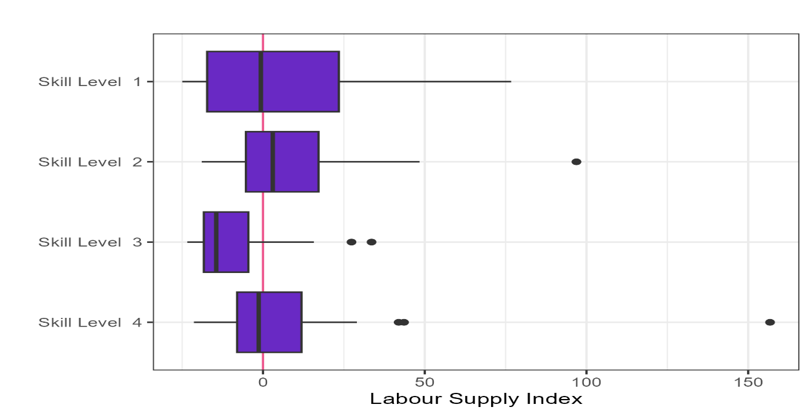

Figure 6
 | Back to Contents

Figure 6: Applicants per Vacancy, fill rate and shortage drivers

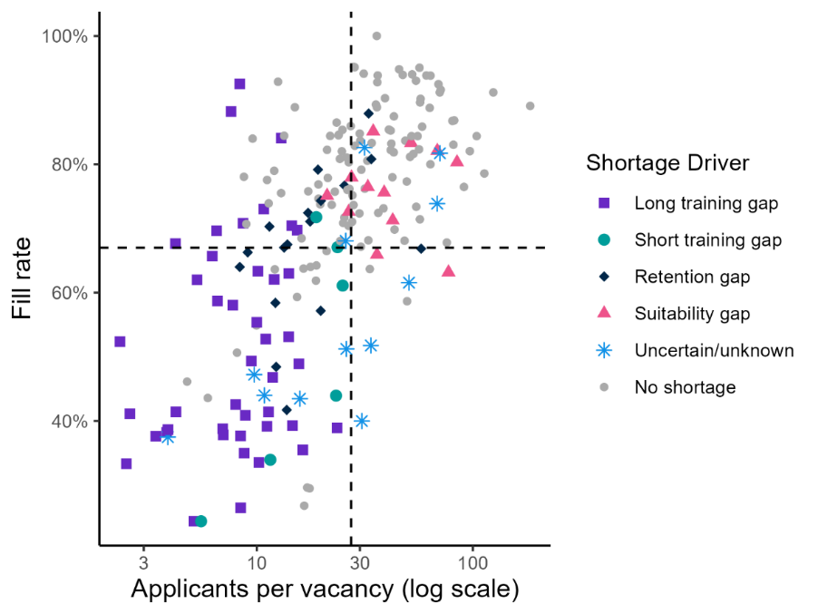
Oversupplied
High fill rate & shortage due to suitability gap
Undersupplied
Low fill rate & shortage due to training gap

Figure 7
 | Back to Contents

Figure 7: Imbalance occupation and fill rate by gender split

